Charts
Charts
Total Costs (Crop 1)
 | Corn
Seed | $-
Fertilizer | $-
Crop Chemicals | $-
Crop Insurance | $-
Crop Miscellaneous | $-
Supplies | $-
Gas/Fuel | $-
Repairs & Maintenance | $-
Custom Hire | $-
Freight & Trucking | $-
Storage | $-
Utilities | $-
Irrigation | $-
Hired Labor | $-
Farm Insurance | $-
Real Estate Taxes | $-
Land Rent | $-
Depreciation (Economic) | $-
Other (variable & fixed) | $-
Income Taxes | $-
Owner Withdrawal | $-
Interest (Oper & Term) | $-
Principal Payment | $-
Total Costs (Crop 2)
 | Soybeans
Seed | $-
Fertilizer | $-
Crop Chemicals | $-
Crop Insurance | $-
Crop Miscellaneous | $-
Supplies | $-
Gas/Fuel | $-
Repairs & Maintenance | $-
Custom Hire | $-
Freight & Trucking | $-
Storage | $-
Utilities | $-
Irrigation | $-
Hired Labor | $-
Farm Insurance | $-
Real Estate Taxes | $-
Land Rent | $-
Depreciation (Economic) | $-
Other (variable & fixed) | $-
Income Taxes | $-
Owner Withdrawal | $-
Interest (Oper & Term) | $-
Principal Payment | $-

Total Costs (Crop 3)
 | Wheat
Seed | $-
Fertilizer | $-
Crop Chemicals | $-
Crop Insurance | $-
Crop Miscellaneous | $-
Supplies | $-
Gas/Fuel | $-
Repairs & Maintenance | $-
Custom Hire | $-
Freight & Trucking | $-
Storage | $-
Utilities | $-
Irrigation | $-
Hired Labor | $-
Farm Insurance | $-
Real Estate Taxes | $-
Land Rent | $-
Depreciation (Economic) | $-
Other (variable & fixed) | $-
Income Taxes | $-
Owner Withdrawal | $-
Interest (Oper & Term) | $-
Principal Payment | $-

Comparison of Variable and Fixed Costs
 | Variable | Fixed | Variable & Fixed
 | $- | $-
 | $- | $-
 | $- | $-

Optimization
Optimizing Profitability
 |  | Budget Acres | Acres | Revenue Per Acre | Total Direct & Overhead Cost
 |  |  | (Enter Below)
Crop 1 | Crop 1 | 0 | 295 | $0.00 | $0.00
Crop 2 | Crop 2 | 0 | 245 | $0.00 | $0.00
Crop 3 | Crop 3 | 0 | 98 | $0.00 | $0.00

 |  |  |  | (Enter Below)
 | Minimum Costs to Cover | $0.00 | <= | $350,000.00 | ¬ Total Cost (goal)
 | Minimum crop 1 acres | 295 | >= | 50 | ¬ Minimum crop 1 acres (goal)
 | Minimum crop 2 acres | 245 | >= | 50 | ¬ Minimum crop 2 acres (goal)
 | Minimum crop 3 acres | 98 | >= | 50 | ¬ Minimum crop 3 acres (goal)
 | Acres | 638 | = | 638 | ¬ Maximum acres allowed

 | Maximized Revenue | $0 | ¬ Use Solver Function

 | Optimization Instructions
 | 1. Enter the acres for consideration in the Optimizer in column D. The acres already on the Crop Budget (Main) tab have been provided for comparison.
 | 2. Enter the maximum desired Revenue for the farm between all crops in column E.
 | 3. Enter the minimum goal of acres for each crop in column E.
 | 4. Enter the total acres to be planted across all crops in column E.
 | 5. Click on the Maximized Revenue cell in C17 and run the Solver tool (click on Data on the top toolbar). Solver is pre-programmed, but can be reset using the photo below:
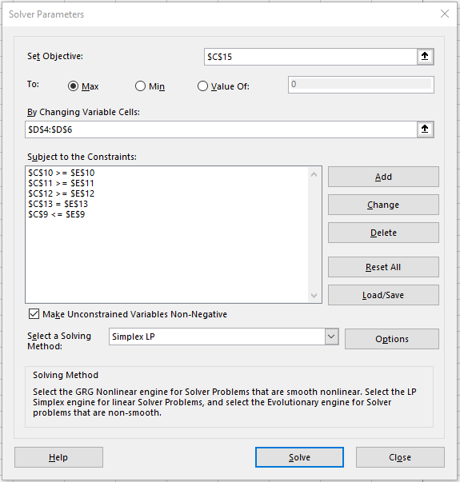

 | 6. After running Solver, the acres will be re-adjusted to maximize the revenue of the combined crops .

